Cover page
 | 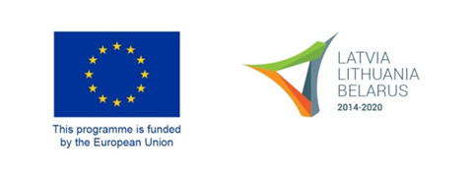
FINAL REPORT

Title of the project: |  | indicate the title of the project
No of the Grant contract: |  | indicate the number of the Grant contract
Project No: |  | LLB-x-xxx
Name of the Lead Beneficiary: |  | indicate the name of the Lead Beneficiary
Name, position and contact details of the Lead Beneficiary’s authorised person: |  | indicate the name, position and contact details (phone number,e-mail) of the Lead Beneficiary's authorised person
Reporting period: | from | start date dd/mm/yyyy | to | end date dd/mm/yyyy
Website(s) of the beneficiaries where information on the project is available |  | indicate websites of all beneficiaries where information on the project and its results is available

• The report must be completed and signed by the Lead Beneficiary’s signatory of the Declaration by the Applicant in the Grant Application Form or other authorised representative of the Lead Beneficiary.
• The report must be submitted in a bound 1 original and 1 copy, certified as true, in paper version and in electronic version.
• The report must be sent to the Joint Technical Secretariat latest in 2 months after the end date of the project to the following address:
Joint Technical Secretariat Konstitucijos pr. 7, LT-09308, Vilnius, Lithuania
• The Joint Technical Secretariat/Managing Authority will reject any incomplete or badly completed reports.
• The answers to all questions must cover the respective reporting period, unless otherwise specified.
• Add letters of endorsement issued by Beneficiaries proving they have read the report and it complies with their provided information. Each Beneficiary shall sign a separate letter, indicating the report's signature date they refer to.
• For ecological reasons we suggest to use double-sided printouts as much as possible.
• The last 2 months of the Project Implementation must be allocated for the preparation of the Final Report.

